Mill Tool List
Precision Aerospace Corp.
<Post Param Part Number> OP-<Post Param Operation Number> Mill Tool List

Part Number | <Post Param Part Number> |  |  | Op Number |  | <Post Param Operation Number>
Revision Number | <Post Param Part Revision Number> |  |  | Setup Comment |  | <Post Param Setup Comment 1>
Part Description | <Post Param Part Description> |  |  | Setup Comment |  | <Post Param Setup Comment 2>
Customer | <Post Param Customer Name> |  |  | Setup Comment |  | Additional comments here

CNC Machine | <MchName> |  |  | X Setup Origin |  | <Post Param X Setup Origin>
Program # | <Post Param Program Number> |  |  | Y Setup Origin |  | <Post Param Y Setup Origin>
Programmer | <Post Param Programmer> |  |  | Z Setup Origin |  | <Post Param Z Setup Origin>
Part Material | <WorkPiece Material> |  |  | Date\Time Created |  | <DateTimeCreated>
Machining Time | <TotalMachiningTime> |  |  | SolidWorks File |  | <SolidWorksFile>
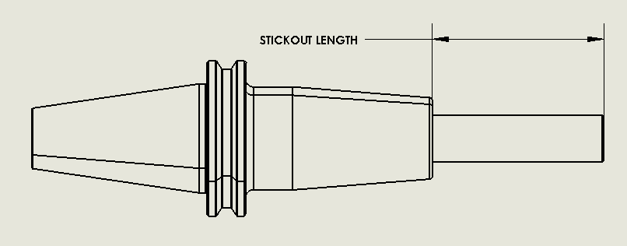
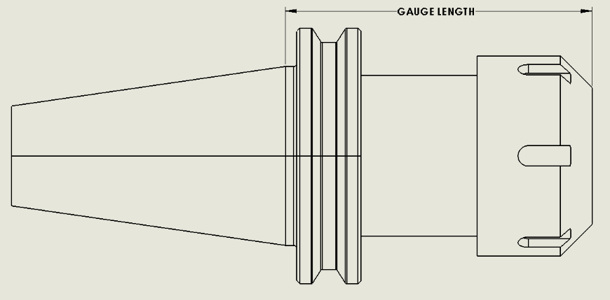

Tool | Tool | Tool | Holder | Tool | Corner | Flute | Tool | Number | Hand | # of Parts
# | Description | Stickout | Description | Diameter | Radius | Length | Material | of Flutes | of Cut | with this tool
<ToolNumber> | <ToolDescription> | <LengthFromHolder> | <HolderDescription> | <ToolDiameter> | <CornerRadius> | <FluteLength> | <ToolMaterial> | <NumberOfFlutes> | <HandofCut>

Lathe Tool List
Precision Aerospace Corp.
<rep_MchPosting\Param\Part Number> OP-<rep_MchPosting\Param\Operation Number> Lathe Tool List

Part Number |  | <rep_MchPosting\Param\Part Number> |  |  |  |  | Op Number |  | <rep_MchPosting\Param\Operation Number>
Revision Number |  | <rep_MchPosting\Param\Part Revision Number> |  |  |  |  | Setup Comment |  | <rep_MchPosting\Param\Setup Comment 1>
Part Description |  | <rep_MchPosting\Param\Part Description> |  |  |  |  | Setup Comment |  | <rep_MchPosting\Param\Setup Comment 2>
Customer |  | <rep_MchPosting\Param\Customer Name> |  |  |  |  | Setup Comment |  | Additional comments here

CNC Machine |  | <MchName> |  |  |  |  | X Setup Origin |  |  |  |  |  |  |  |  | Program Revision:
Program # |  | <rep_MchPosting\Param\Program Number> |  |  |  |  | Y Setup Origin |  | <rep_MchPosting\Param\Y Setup Origin>
Programmer |  | <rep_MchPosting\Param\Programmer> |  |  |  |  | Z Setup Origin |  | <rep_MchPosting\Param\Z Setup Origin>
Part Material |  | <rep_TurnWorkPiece\WorkPieceMaterial> |  |  |  |  | Date\Time Created |  | <rep_CustomInfo\CustomInfoDateTime>
Machining Time |  | <TotalMachiningTime> |  |  |  |  | SolidWorks File |  | <SolidWorksFile>
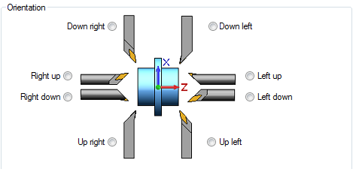

 |  |  |  |  |  |  |  |  |  |  |  |  |  |  | Max RPM for Lathe

Tool | Tool |  | Holder | Orientation | Inscribed | Corner |  | Included | Tool | Tool | Number | Tool | Hand | # of Parts
# | Description |  | Description |  | Circle | Radius |  | Angle | Diameter | Stickout | of Flutes | Material | of Cut | with this tool
<ToolNumber> | <ToolDescription> |  | <HolderDescription> | <Orientation> | <InscribedCircle> | <CornerRadius> |  | <IncludedAngle> | <ToolDiameter> | <LengthFromHolder> | <NumberOfFlutes> | <ToolMaterial> | <HandofCut>

Lathe Standards
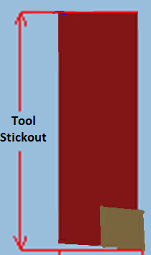

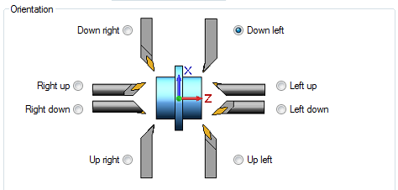
4

5

6

